START
20210424
Calculate your probability of SUCCEEDING and NOT SUCCEEDING

 | Have a goal in mind to improve your life in a significant way?
 | Taking on a new project that will change your life?
 | Examples: get your DTM, participate in the Olympic games, start and run a very successful business.
 | Calculate your probability of succeeding.

 | Note: | The result (success value) is only an indicator of the probability that you will succeed.
 |  | The final results calculated are each a function of ten personality parameters.
 |  | Traits (parameters) do not all carry the same weight.
 |  | Be true to yourself when answering each question.
 |  | If you are not sincere you are fooling yourself.

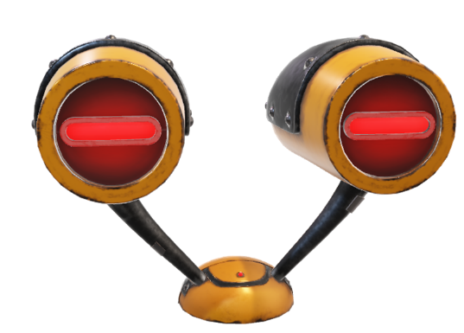
 | Click Robot Eyes to start your evaluation

A Rapid-Fire Marketing Production

SUCCESS scoring
Scoring page How strong are each of your habits listed below? | Scale 0 to 5 5 = very high 0 = very low = none Enter a value below:

Type 0 to 5
Aspiration/ambition/passion |  | 0
Drive/willpower/motivation |  | 0
Willingness to learn/curiousity/reading |  | 0
Patience |  | 0
Belief/optimism/confidence/ |  | 0
Embrace challenges/courageous/adventurous |  | 0
Communicate/connect with people/network |  | 0
Humility/integrity |  | 0
Decisive/take action |  | 0
Self discipline |  | 0

Probability you WILL succeed |  | 0%

most unlikely you will succeed |  | 0 to 25
possible with continuous one-on-one help |  | 26 to 50
likely with only guidance from a coach |  | 51 to 75
will succeed under your own willpower |  | 76 to 100
Click to go to NON SUCCESS probability scoring

NON SUCCESS scoring
Scoring page How strong are each of your habits listed below? | Scale 0 to 5 5 = very high 0 = very low = none Enter a value below:

Type 0 to 5
Habit of making excuses |  | 0
Undefined goals/no passion |  | 0
Habit of inaction/procrastination |  | 0
Feeding distraction/shiny objects |  | 0
Wait for the right time/chasing silver bullets |  | 0
Giving up – not believing/persistence |  | 0
Expecting results with no effort |  | 0
Not asking questions/know it all |  | 0
FEAR of failure |  | 0
Expecting immediate results |  | 0

Probability you WILL NOT succeed |  | 0%

you will probably NOT fail under own willpower |  | 0 to 25
unlikely to fail with a coach |  | 26 to 50
likely to fail with a coach |  | 51 to 75
will NOT succeed |  | 76 to 100
Click to go to SUCCESS probability scoring

